01
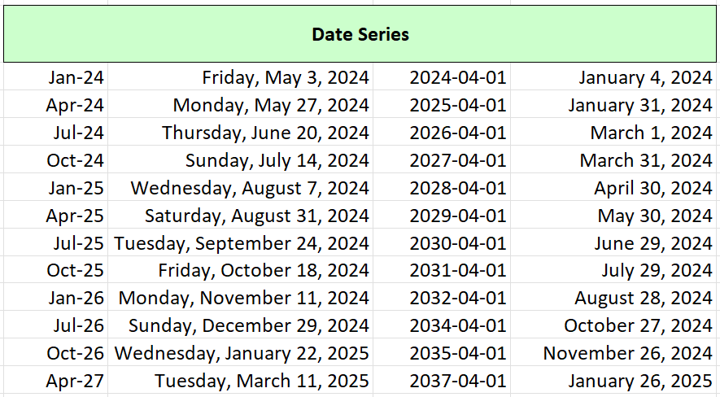
1: Modify the format of the table as shown in the sample below. (3 marks)

 | Date Series
 | 2024-01-01 | 2024-05-03 | 2024-04-01 | 2024-01-04
 | 2024-04-01 | 2024-05-27 | 2025-04-01 | 2024-01-31
 | 2024-07-01 | 2024-06-20 | 2026-04-01 | 2024-03-01
 | 2024-10-01 | 2024-07-14 | 2027-04-01 | 2024-03-31
 | 2025-01-01 | 2024-08-07 | 2028-04-01 | 2024-04-30
 | 2025-04-01 | 2024-08-31 | 2029-04-01 | 2024-05-30
 | 2025-07-01 | 2024-09-24 | 2030-04-01 | 2024-06-29
 | 2025-10-01 | 2024-10-18 | 2031-04-01 | 2024-07-29
 | 2026-01-01 | 2024-11-11 | 2032-04-01 | 2024-08-28
 | 2026-07-01 | 2024-12-29 | 2034-04-01 | 2024-10-27
 | 2026-10-01 | 2025-01-22 | 2035-04-01 | 2024-11-26
 | 2027-04-01 | 2025-03-11 | 2037-04-01 | 2025-01-26

15
15: Create formula to calculate the results in the yellow colored cells. (3 marks)

* Mix Cell Reference must be used in the formula.
Each yellow colored cell are the volume of rectangular prism. (Volume = Length * Width * Height)
Example: D9=C9*D8*I9
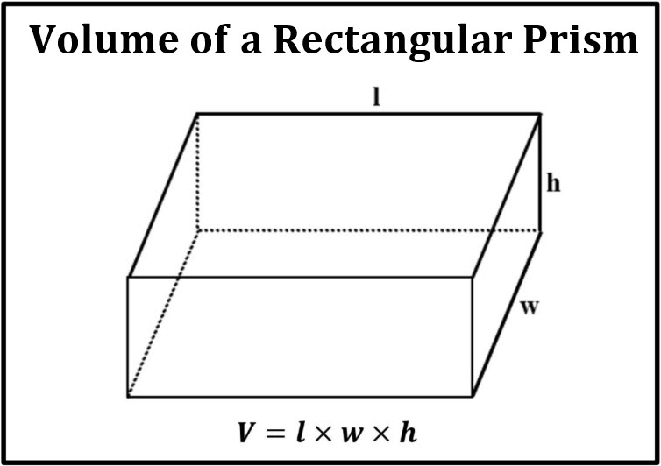
 |  |  | Width (w)
 |  |  | 4 | 5 | 6 | 7 | 8
 | Length (l) | 1 | 4 cm³ | 5 cm³ | 6 cm³ | 7 cm³ | 8 cm³ | 1 | Height (h)
 |  | 2 | 8 cm³ | 10 cm³ | 12 cm³ | 14 cm³ | 16 cm³ | 2
 |  | 3 | 12 cm³ | 15 cm³ | 18 cm³ | 21 cm³ | 24 cm³ | 3
 |  | 4 | 16 cm³ | 20 cm³ | 24 cm³ | 28 cm³ | 32 cm³ | 4
 |  | 5 | 20 cm³ | 25 cm³ | 30 cm³ | 35 cm³ | 40 cm³ | 5

19
19: Draw a column chart, move and resize to fit in the gray area as sample. (3 marks)

Brand | 2020 | 2021 | 2022 | 2023 | 2024
Samsung | $18,580.00 | $49,225.00 | $16,326.00 | $10,017.00 | $26,134.00
Apple | $78,970.00 | $82,262.00 | $48,640.00 | $49,985.00 | $73,428.00
Xiaomi | $24,236.00 | $131,390.00 | $79,022.00 | $71,009.00 | $81,474.00
Oppo | $16,730.00 | $19,730.00 | $12,109.00 | $11,355.00 | $17,686.00
Google | $35,358.00 | $42,685.00 | $20,893.00 | $16,065.00 | $21,388.00
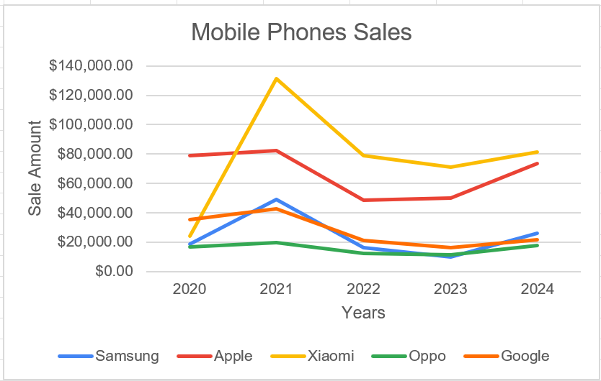
Mobile Phones Sales

